D1
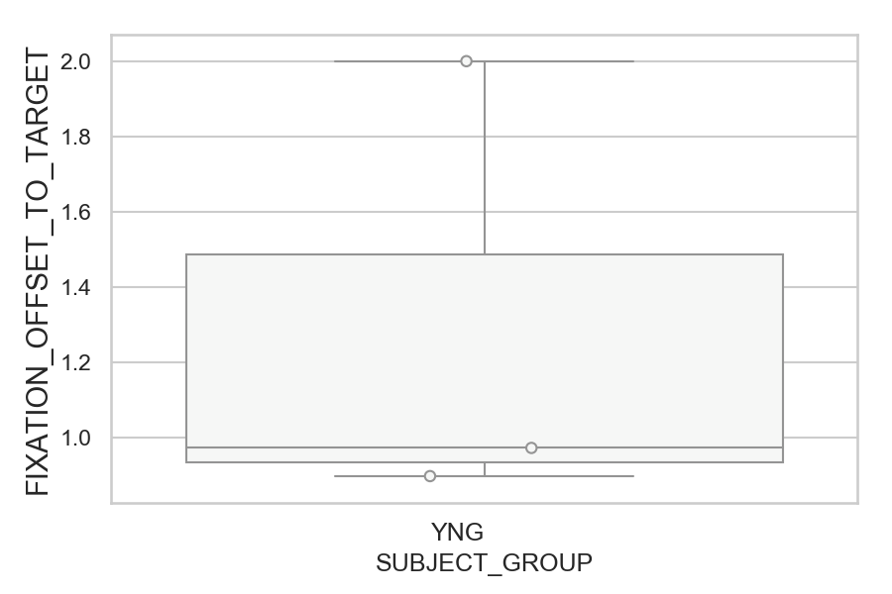
How far the gaze was from where it should be (target or opposite position) after correct or corrected saccades (degrees) (mean of all trials per subject)
SUBJECT_NAME | SUBJECT_GROUP | SUBJECT_AGE | VALUE
MP1 | YNG |  | 2.000850499
AW001CG | YNG | 19 | 0.97184550975
AW002AF | YNG | 19 | 0.89686364099

D1 (types)
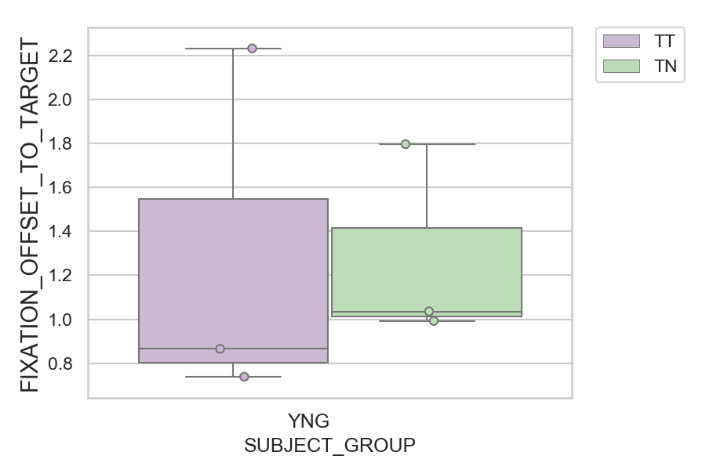
How far the gaze was from where it should be (target or opposite position) after correct or corrected saccades (degrees) (mean of all trials per subject)
SUBJECT_NAME | SUBJECT_GROUP | CONDITION_APPEARANCE | SUBJECT_AGE | VALUE
MP1 | YNG | TT |  | 2.2334469267
MP1 | YNG | TN |  | 1.7973286248
AW001CG | YNG | TN | 19 | 1.0358614831
AW002AF | YNG | TN | 19 | 0.99200056577
AW001CG | YNG | TT | 19 | 0.86515222089
AW002AF | YNG | TT | 19 | 0.73830209968

